Stylemate_BugReport
BUG-REPORT
BUG_ID | BUG_DESCRIPTION | PREREQUISITS | STEPS TO REPRODUCE BUGS | PRIORITY | EXPECTED RESULT | ACTUAL RESULT | ATTACHMENTS | COMMENTS
BG_001 | Footer links are not working | Open the Browser and enter the URL : https://luni-interface-029.vercel.app/ | 1. Open the Website URL and go to the website and scroll to the footer area and click on the links | P0 | User should be able to click and open the links | User is not able to open the links | 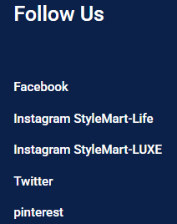 | Broken links needs to be fixed
BG_002 | Search Bar Navigation is not working | Open the Browser and enter the URL : https://luni-interface-029.vercel.app/ | 1. Open the Website and go to the search bar section and search for any product | P1 | User should be able to see the navigation search bar navigation | User is not able to see any navigation |  | N/A
BG_003 | User is not able to click on the checkout Button | Open the Browser and enter the URL : https://luni-interface-029.vercel.app/ | 1. Open the Website Url and complete a purchase and move to the checkout section | P0 | User should be able to click on the Checkout button | User is not able to click on the checkout Button | 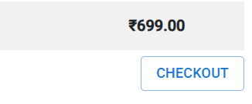 | This is a critical issue needs to fixed as soon as possible
BG_004 | Registration functionality is not working | Open the Browser and enter the URL : https://luni-interface-029.vercel.app/ | 1. Open the Website Url and go to the registration page and then enter the data in the each field | P0 | User should be able to register | User is not able to register | 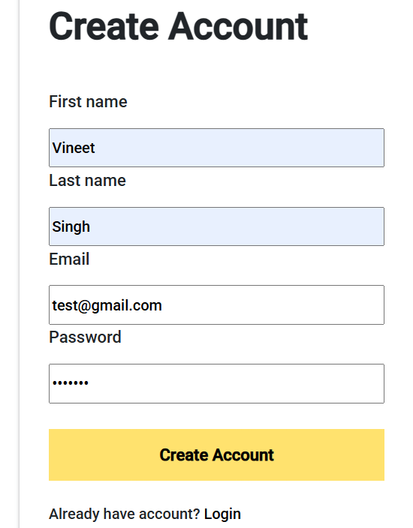 | Registration functionality should be fixed with the highest priority
BG_005 | Product Description is missing | Open the Browser and enter the URL : https://luni-interface-029.vercel.app/ | 1. Open the Website Url and go to the products page and click on a product | P0 | User should be able to see the full description of the product | User is not able to see the full description of the product |  | N/A
BG_006 | Dropdown Filter Functionality is not working | Open the Browser and enter the URL : https://luni-interface-029.vercel.app/ | 1. Open the Website Url and go to the products page and click on the dropdown filter | P1 | User should be able to use the dropdown filter functionality | User is not able to use the functionality | N/A | N/A
BG_007 | Dynamic banner functionality is not working | Open the Browser and enter the URL : https://luni-interface-029.vercel.app/ | 1. Open the Website Url and go to the website home page | P1 | User should be able to see the dynamic banner | User is not able to see the Dynamic banner |  | Banners on the Web Application should be Dynamic
BG_008 | User Chat Support functionality is not working | Open the Browser and enter the URL : https://luni-interface-029.vercel.app/ | 1. Open the Website Url and go to the help or user support section | P0 | User should be able to use chat support functionality | User is not able to use chat support functionality | 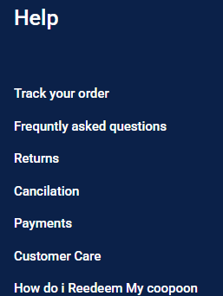 | User Chat Support Functionality needs to be integrated
BG_009 | UI/UX is not user friendly | Open the Browser and enter the URL : https://luni-interface-029.vercel.app/ | 1. Open the Website Url and go to the Home page and scroll down to the bottom section | P0 | UI/UX should be aligned | UI/UX is not aligned | 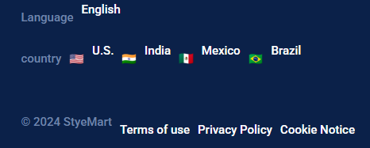 | UI/UX should be User Friendly
BG_010 | User is not able to perform the checkout process | Open the Browser and enter the URL : https://luni-interface-029.vercel.app/ | 1. Open the Website Url and purchase a product and go for the checkout process | P0 | User should be able to complete the checkout process | User is not able to do the checkout | 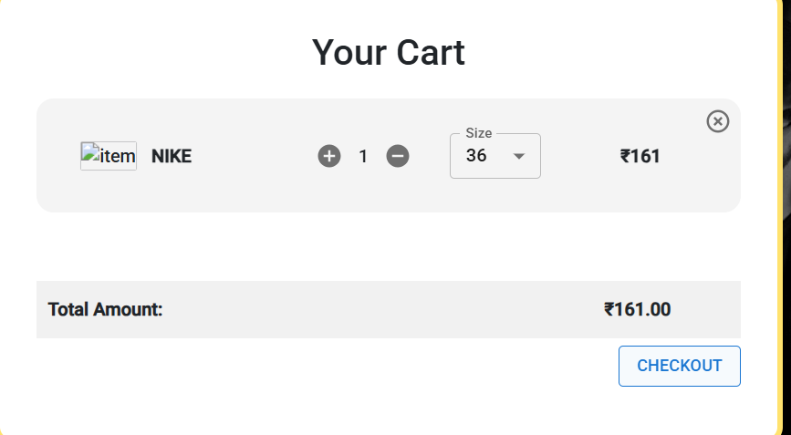 | Checkout functionality needs to be fixed with the Highest priority
BG_011 | Zoom in and Zoom-out functionality is not working Fine | Open the Browser and enter the URL : https://luni-interface-029.vercel.app/ | 1. Open the Website Url and go to the Home page and perform the Zoom in and Zoom out | P1 | User should be able to Zoom-in and Zoom-Out | User is not able to Zoom-in and Zoom-out as expexted |  | N/A
BG_012 | Order Placement Functionality is not working fine | Open the Browser and enter the URL : https://luni-interface-029.vercel.app/ | 1. Open the Website Url and go to the checkout page and try to place a valid order | P0 | User should be able to use order placement functionality | User is not able to use the functionality | 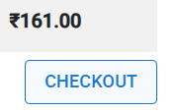 | N/A

